Sales data
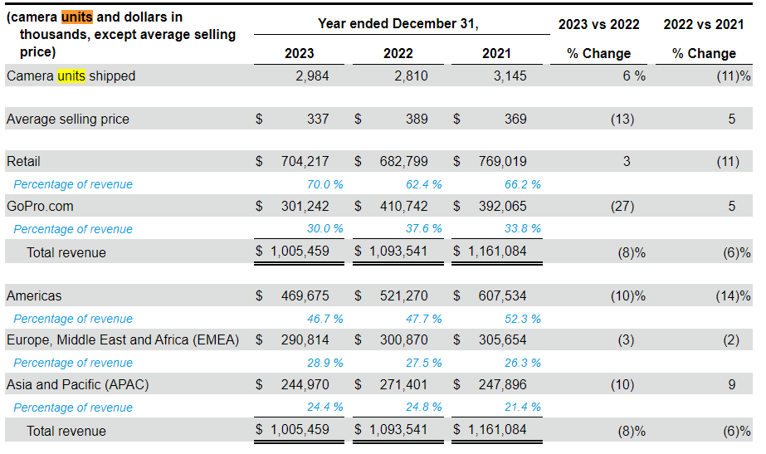

Competitors
 | https://www.mordorintelligence.com/industry-reports/action-camera-market
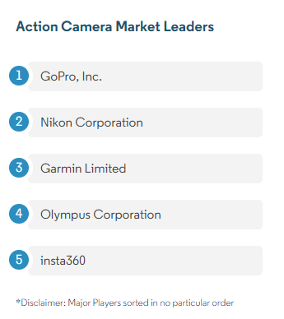
GoPro
Nikon corp
Garmin limited
Olympus corp
insta 360

